Doeswijk, Lam, Swinkels (2014)
When you use this data, please cite:
Doeswijk, R., Lam, T., and Swinkels, L., 2014, "The Global Multi-Asset Market Portfolio, 1959–2012", Financial Analysts Journal 70(2), pp. 26-41.
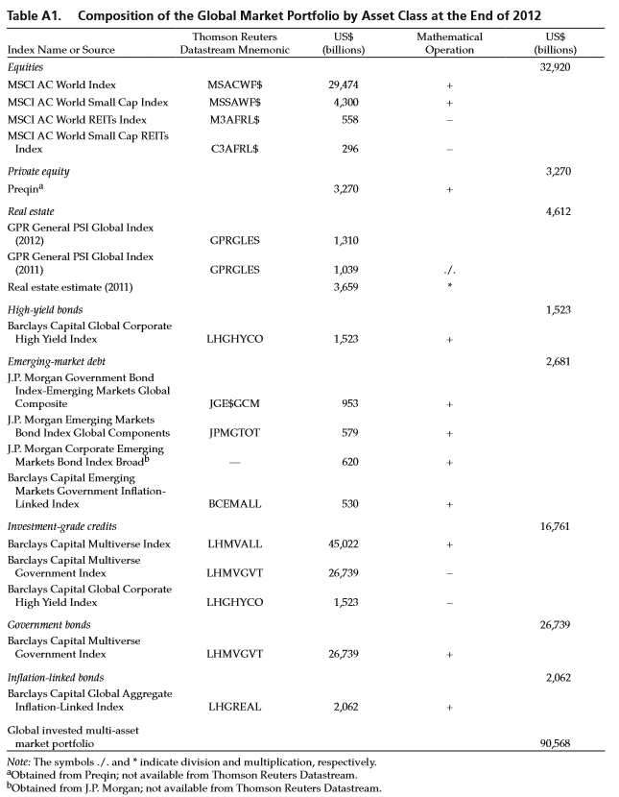
Table A1. Composition of the Global Market Portfolio by Asset Class (updated)
 | Thomson Returns | 2012 | 2013 | 2014 | 2015 | 2016 | 2017
Index name or source | Datastream Mnemonic | US$ bn | US$ bn | US$ bn | US$ bn | US$ bn | US$ bn
Equities |  | 32,920 | 40,302 | 41,379 | 39,986 | 42,205 | 51,551
MSCI AC World Index | MSACWF$ | 29,474 | 35,739 | 36,893 | 35,723 | 37,616 | 45,879
MSCI World Small Cap Index | MSSAWF$ | 4,300 | 5,522 | 5,717 | 5,540 | 5,916 | 7,167
MSCI World REITs Index | M3AFRL$ | 558 | 590 | 761 | 803 | 842 | 960
MSCI World Small Cap REITs Index | C3AFRL$ | 296 | 370 | 471 | 474 | 484 | 535

Private equity |  | 3,270 | 3,620 | 3,972 | 4,165 | 4,580 | 4,910
Prequin* | - | 3,270 | 3,620 | 3,972 | 4,165 | 4,580 | 4,910

Real estate |  | 4,612 | 5,277 | 6,078 | 6,123 | 6,274 | 7,156
GPR General PSI Global Index (t) | GPRGLES | 1,310 | 1,498 | 1,726 | 1,739 | 1,782 | 2,032
GPR General PSI Global Index (t-1) | GPRGLES | 1,039 | 1,310 | 1,498 | 1,726 | 1,739 | 1,782
Real estate estimate (t-1) | - | 3,659 | 4,612 | 5,277 | 6,078 | 6,123 | 6,274

High yield bonds |  | 1,523 | 1,827 | 1,897 | 1,715 | 1,845 | 1,938
Barclays Capital Global Corporate High Yield Index | LHGHYCO | 1,523 | 1,827 | 1,897 | 1,715 | 1,845 | 1,938

Emerging debt |  | 2,682 | 2,717 | 2,866 | 2,637 | 3,069 | 3,604
J.P. Morgan Government Bond Index - Emerging Markets Global Composite | JGE$GCM | 953 | 930 | 941 | 793 | 965 | 1,203
J.P. Morgan Emerging Markets Bond Index Global Components | JPMGTOT | 579 | 586 | 651 | 672 | 776 | 913
J.P. Morgan Corporate Emerging Markets Bond Index Broad | - | 620 | 716 | 792 | 788 | 855 | 969
Barclays Capital Emerging Markets Government Inflation-Linked Index | BCEMALL | 530 | 485 | 483 | 383 | 473 | 519

Investment grade credits |  | 16,761 | 17,030 | 17,516 | 17,581 | 18,530 | 20,896
Barclays Capital Multiverse Index | LHMVALL | 45,022 | 44,813 | 46,225 | 45,684 | 47,836 | 53,150
Barclays Capital Multiverse Government Index | LHMVGVT | 26,739 | 25,956 | 26,812 | 26,387 | 27,461 | 30,316
Barclays Captial Global Corporate High Yield Index | LHGHYCO | 1,523 | 1,827 | 1,897 | 1,715 | 1,845 | 1,938

Government bonds |  | 26,739 | 25,956 | 26,812 | 26,387 | 27,461 | 30,316
Barclays Capital Multiverse Government Index | LHMVGVT | 26,739 | 25,956 | 26,812 | 26,387 | 27,461 | 30,316

Inflation-linked bonds |  | 2,062 | 2,131 | 2,388 | 2,364 | 2,547 | 2,866
Barclays Capital Global Aggregate Inflation-Linked Index | LHGREAL | 2,062 | 2,131 | 2,388 | 2,364 | 2,547 | 2,866

Global invested Multi-asset market portfolio |  | 90,568 | 98,859 | 102,907 | 100,959 | 106,511 | 123,238

* Source: Obtained from Prequin (2017 number for June instead of December). This number represents "Private Capital". For more information see
http://docs.preqin.com/samples/2016-Preqin-Global-Private-Equity-and-Venture-Capital-Report-Sample_Pages.pdf

Chart Dec 2017
Equities | 51,551
Private equity | 4,910
Real estate | 7,156
High yield bonds | 1,938
Emerging debt | 3,604
Investment grade credits | 20,896
Government bonds | 30,316
Inflation-linked bonds | 2,866

Chart Dec 2016
Equities | 42,205
Private equity | 4,580
Real estate | 6,274
High yield bonds | 1,845
Emerging debt | 3,069
Investment grade credits | 18,530
Government bonds | 27,461
Inflation-linked bonds | 2,547

